Select Tuning Parameters
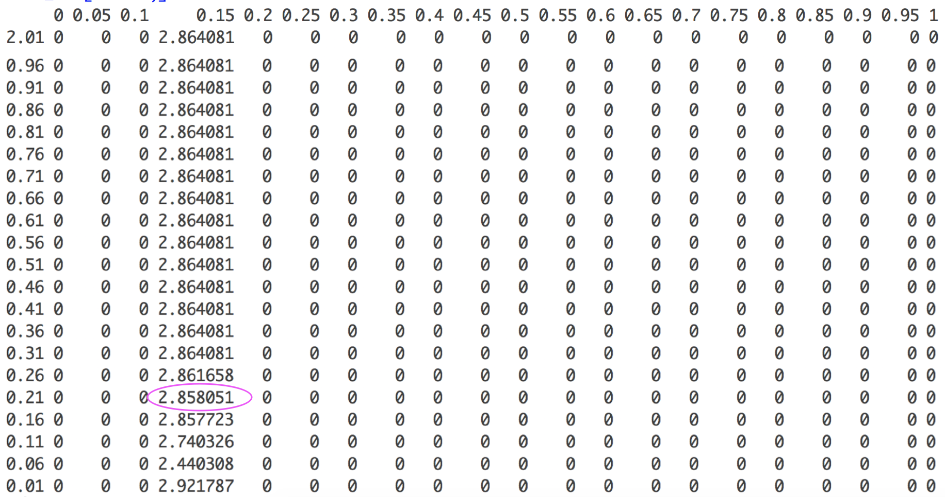
 | 21 possible alphas | seq(0, 1, by=0.05)
100 possible lambdas |  |  | …
seq(0.01, 5, by=0.05) |  |  |  |  | run cross validation, and get the minimum cvm (the mean CV error) for each alpha column | find the minimum of those minimums | the corresponding place would be the optimal lambda and alpha
 |  |  |  | A combination of different alphas and lambdas

 | …

